Sheet1
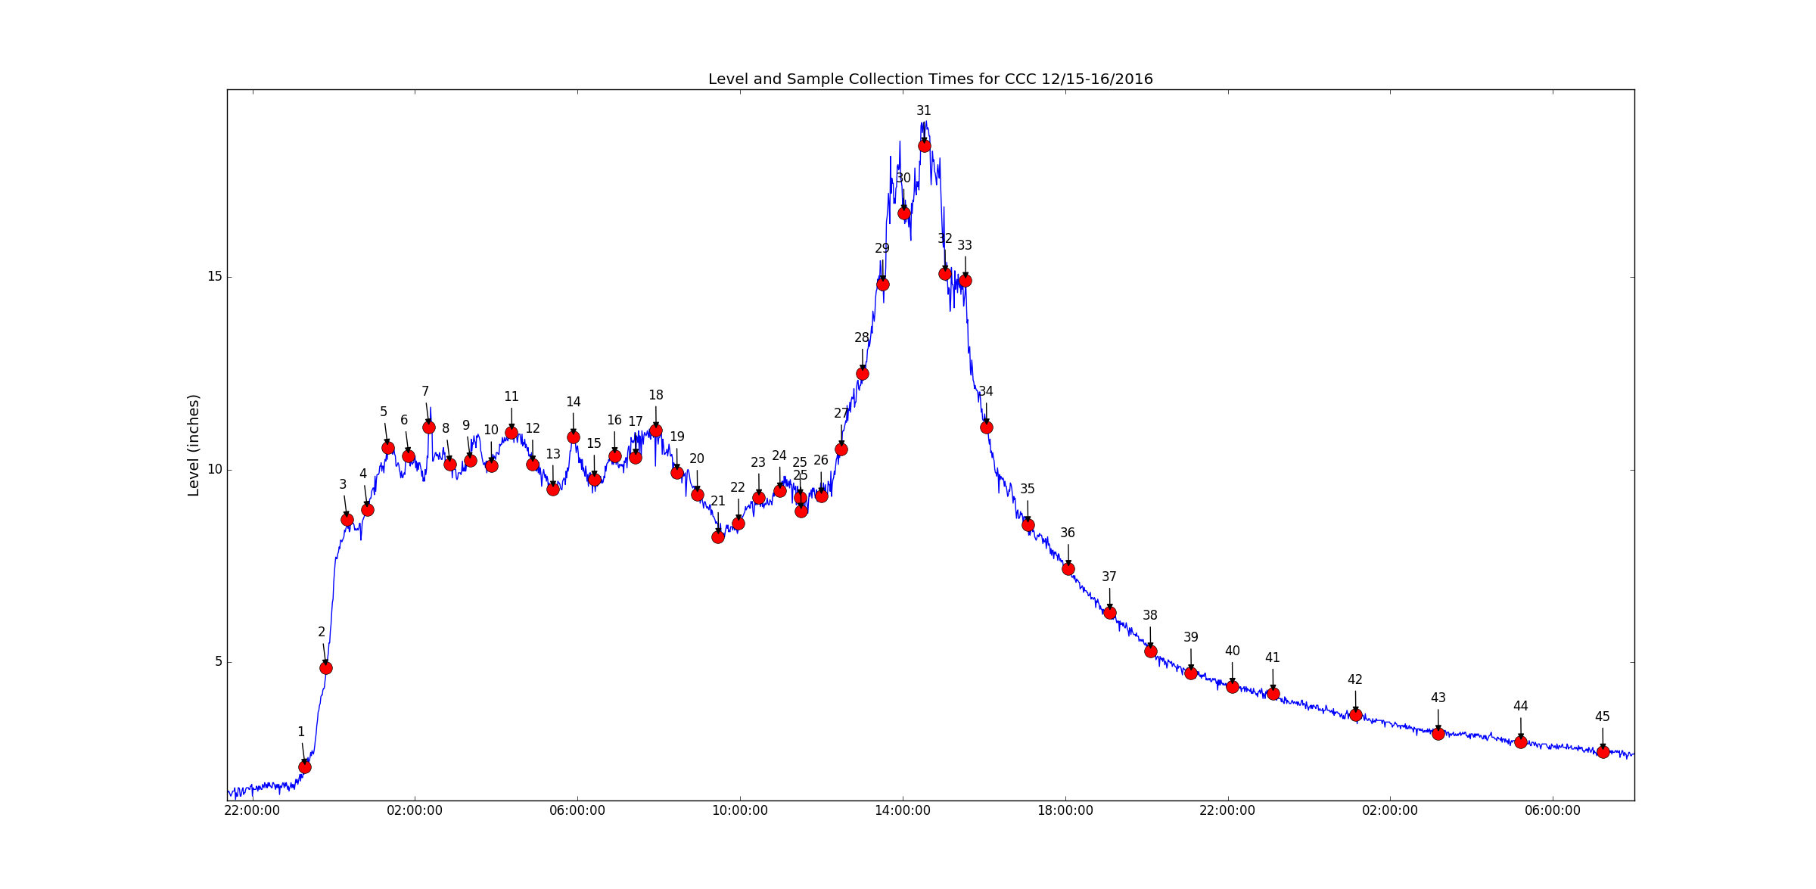
records time |  | pulses_sent_to_sampler | pulses_sent_to_sampler_TMx |  | Sample_deltaT
2016-12-15 | 23:30:00 | 1 | 2016-12-15 | 23:18:55 | NaT | 30 Minute Intervals
2016-12-16 | 0:00:00 | 2 | 2016-12-15 | 23:49:25 | 0:30:30
2016-12-16 | 0:30:00 | 3 | 2016-12-16 | 0:20:00 | 0:30:35
2016-12-16 | 1:00:00 | 4 | 2016-12-16 | 0:50:20 | 0:30:20
2016-12-16 | 1:30:00 | 5 | 2016-12-16 | 1:20:45 | 0:30:25
2016-12-16 | 2:00:00 | 6 | 2016-12-16 | 1:51:15 | 0:30:30
2016-12-16 | 2:30:00 | 7 | 2016-12-16 | 2:21:35 | 0:30:20
2016-12-16 | 3:00:00 | 8 | 2016-12-16 | 2:52:10 | 0:30:35
2016-12-16 | 3:30:00 | 9 | 2016-12-16 | 3:22:35 | 0:30:25
2016-12-16 | 4:00:00 | 10 | 2016-12-16 | 3:53:05 | 0:30:30
2016-12-16 | 4:30:00 | 11 | 2016-12-16 | 4:23:35 | 0:30:30
2016-12-16 | 5:00:00 | 12 | 2016-12-16 | 4:54:00 | 0:30:25
2016-12-16 | 5:30:00 | 13 | 2016-12-16 | 5:24:25 | 0:30:25
2016-12-16 | 6:00:00 | 14 | 2016-12-16 | 5:54:55 | 0:30:30
2016-12-16 | 6:30:00 | 15 | 2016-12-16 | 6:25:25 | 0:30:30
2016-12-16 | 7:00:00 | 16 | 2016-12-16 | 6:55:50 | 0:30:25
2016-12-16 | 7:30:00 | 17 | 2016-12-16 | 7:26:15 | 0:30:25
2016-12-16 | 8:00:00 | 18 | 2016-12-16 | 7:56:50 | 0:30:35
2016-12-16 | 8:30:00 | 19 | 2016-12-16 | 8:27:10 | 0:30:20
2016-12-16 | 9:00:00 | 20 | 2016-12-16 | 8:57:45 | 0:30:35
2016-12-16 | 9:30:00 | 21 | 2016-12-16 | 9:28:10 | 0:30:25
2016-12-16 | 10:00:00 | 22 | 2016-12-16 | 9:58:30 | 0:30:20
2016-12-16 | 10:30:00 | 23 | 2016-12-16 | 10:28:55 | 0:30:25
2016-12-16 | 11:00:00 | 24 | 2016-12-16 | 10:59:20 | 0:30:25
2016-12-16 | 11:30:00 | 25 | 2016-12-16 | 11:29:50 | 0:30:30
2016-12-16 | 12:00:00 | 25 | 2016-12-16 | 11:30:05 | 0:00:15
2016-12-16 | 12:30:00 | 26 | 2016-12-16 | 12:00:10 | 0:30:05
2016-12-16 | 13:00:00 | 27 | 2016-12-16 | 12:30:40 | 0:30:30
2016-12-16 | 13:30:00 | 28 | 2016-12-16 | 13:01:10 | 0:30:30
2016-12-16 | 14:00:00 | 29 | 2016-12-16 | 13:31:30 | 0:30:20
2016-12-16 | 14:30:00 | 30 | 2016-12-16 | 14:02:05 | 0:30:35
2016-12-16 | 15:00:00 | 31 | 2016-12-16 | 14:32:55 | 0:30:50
2016-12-16 | 15:30:00 | 32 | 2016-12-16 | 15:03:20 | 0:30:25
2016-12-16 | 16:00:00 | 33 | 2016-12-16 | 15:33:50 | 0:30:30
2016-12-16 | 16:30:00 | 34 | 2016-12-16 | 16:04:10 | 0:30:20
2016-12-16 | 17:30:00 | 35 | 2016-12-16 | 17:05:05 | 1:00:55 | 1 hour interval
2016-12-16 | 18:30:00 | 36 | 2016-12-16 | 18:05:40 | 1:00:35
2016-12-16 | 19:30:00 | 37 | 2016-12-16 | 19:06:05 | 1:00:25
2016-12-16 | 20:30:00 | 38 | 2016-12-16 | 20:06:30 | 1:00:25
2016-12-16 | 21:30:00 | 39 | 2016-12-16 | 21:06:55 | 1:00:25
2016-12-16 | 22:30:00 | 40 | 2016-12-16 | 22:07:15 | 1:00:20
2016-12-16 | 23:30:00 | 41 | 2016-12-16 | 23:07:40 | 1:00:25
2016-12-17 | 1:30:00 | 42 | 2016-12-17 | 1:09:30 | 2:01:50 | 2 hr interval
2016-12-17 | 3:30:00 | 43 | 2016-12-17 | 3:11:15 | 2:01:45
2016-12-17 | 5:30:00 | 44 | 2016-12-17 | 5:13:10 | 2:01:55
2016-12-17 | 7:30:00 | 45 | 2016-12-17 | 7:14:30 | 2:01:20

